Analytes
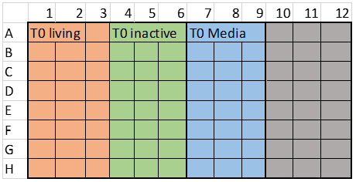
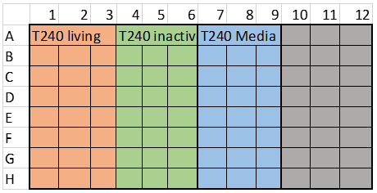
Assay Date | 2021-07-20 | *HEP12
SPE/LC-MS Date | 2022-01-28

DTXSID | Analyte Name | EPA Abbrev | Row Location | Mix
DTXSID80380256 | 4,4-bis(Trifluoromethyl)-4-fluoropropanoic acid | 459 | A | WAX1
DTXSID5061954 | 11H-Perfluoroundecanoic acid (11H-PFUnDA) | 465 | B | WAX2
DTXSID40880025 | Sodium perfluoorooctanoate (NaPFOA) | 462 | C | WAX2
DTXSID50381073 | Perfluoro-3,6-dioxadecanoic acid (PFPE-5) | 272 | D | WAX2
DTXSID90558000 | 6:2 Fluorotelomer phosphate monoester (6:2 monoPAP) | 463 | E | WAX1
DTXSID40108559 | Ammonium perfluoro-2-methyl-3-oxahexanoate (GenX) | 187 | F | Not assessed due to instrument conditions
DTXSID6023525 | Propranolol | PRO | G | HLB
DTXSID1021116 | Phenacetin | PHEN | H | HLB

Matrix plate 1:
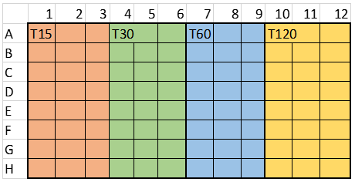

Matrix plate 2: |  | Matrix plate 3:

SPE
DILUTION
CALIBRATION CURVE
1:3 crash
1:4 treatment in ACN with 1% Formic Acid (50 uL sample + 150 uL ACN)
1:5 dilution in 1% formic acid for SPE load (200 uL treatment 800 uL FA)
1:4 dilution in mobile phase with internal standards (4 pg/uL) [25 uL SPE + 75 uL A1]
240 | dilution | CC
CASSETTE 2 ANALYTES
1:3 crash
1:8 treatment in ACN with 1% Formic Acid (25 uL each analyte + 150 ACN)
1:5 dilution in 1% formic acid for SPE load (200 uL treatment 800 uL FA)
1:4 dilution in mobile phase with internal standards (4 pg/uL) [25 uL SPE + 75 uL A1]
480 | dilution | HLB, WAX1

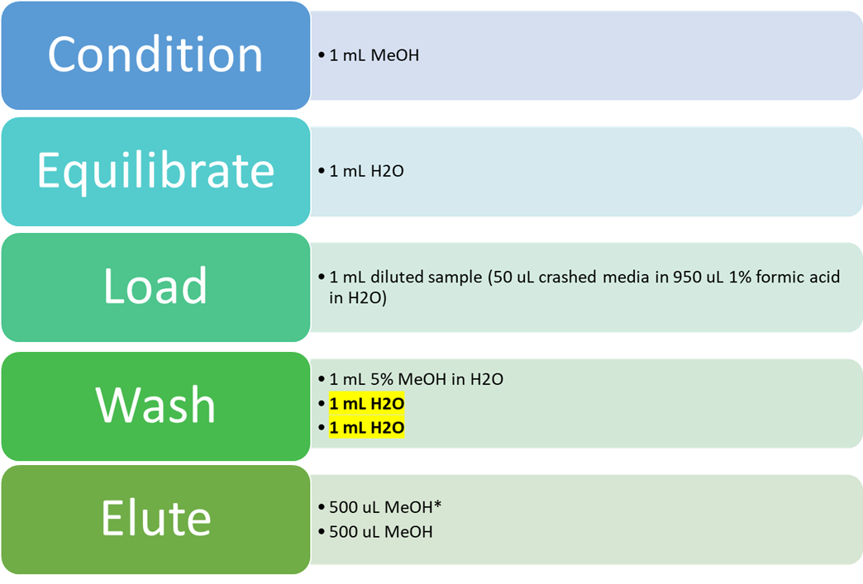
CASSETTE 3 ANALYTES |  |  |  |  | HLB - 30 mg sorbent P/N WAT058951; Lot
1:3 crash |  |  |  |  | *propranolol, phenacetin
1:12 treatment in ACN with 1% Formic Acid (25 uL each analyte + 225 ACN)
1:5 dilution in 1% formic acid for SPE load (200 uL treatment 800 uL FA)
1:4 dilution in mobile phase with internal standards (4 pg/uL) [25 uL SPE + 75 uL A1]
720 | dilution | WAX2

 | 1% Formic Acid in Acetonitrile (Sample Pre-treatment)
 |  | mL
 | Formic Acid | 0.25
 | Acetonitrile | 24.75
 | Total Vol (mL) | 25

 | 1% Formic Acid in Water (Sample Dilution)
 |  | mL | 3 aliquots…
 | Formic Acid | 1.5 | 0.5
 | Water | 148.5 | 49.5
 | Total Vol (mL) | 150 | 50

 | 5% MeOH in Water (HLB) |  |  |  | 1 | 2 | 3 | 4 | 5 | 6 | 7 | 8 | 9 | 10 | 11 | 12
 |  | mL | 2 aliquots… | A | mobile | mobile | mobile | ACN blank | media blank | 2 mM neat | SPE elute | SPE elute | SPE elute | SPE spike | SPE spike | SPE spike
 | Methanol | 5 | 2.5 | B | CC1 | CC2 | CC3 | CC4 | CC5 | CC6 | CC7 | CC8 | CC9 | CC10 | CC11 | CC12
 | Water | 95 | 47.5 | C | CC13 | CC14 | CC15 | CC16 | CC17 |  |  | QC-A | QC-B | QC-C | QC-D
 | Total Vol (mL) | 100 | 50 | D | T0-A living | T0-B living | T0-C living | T0-A inact | T0-B inact | T0-C inact | T0-A media | T0-B media | T0-C media
 |  |  |  | E | T15-A | T15-B | T15-C | T30-A | T30-B | T30-C | T60-A | T60-B | T60-C | T120-A | T120-B | T120-C
 | 2% Ammonia in Methanol (WAX) |  |  | F | T240-A living | T240-B living | T240-C living | T240-A inact | T240-B inact | T240-C inact | T240-A media | T240-B media | T240-C media
 |  | mL |  | G
 | Ammonia | 1 |  | H
 | Methanol | 49
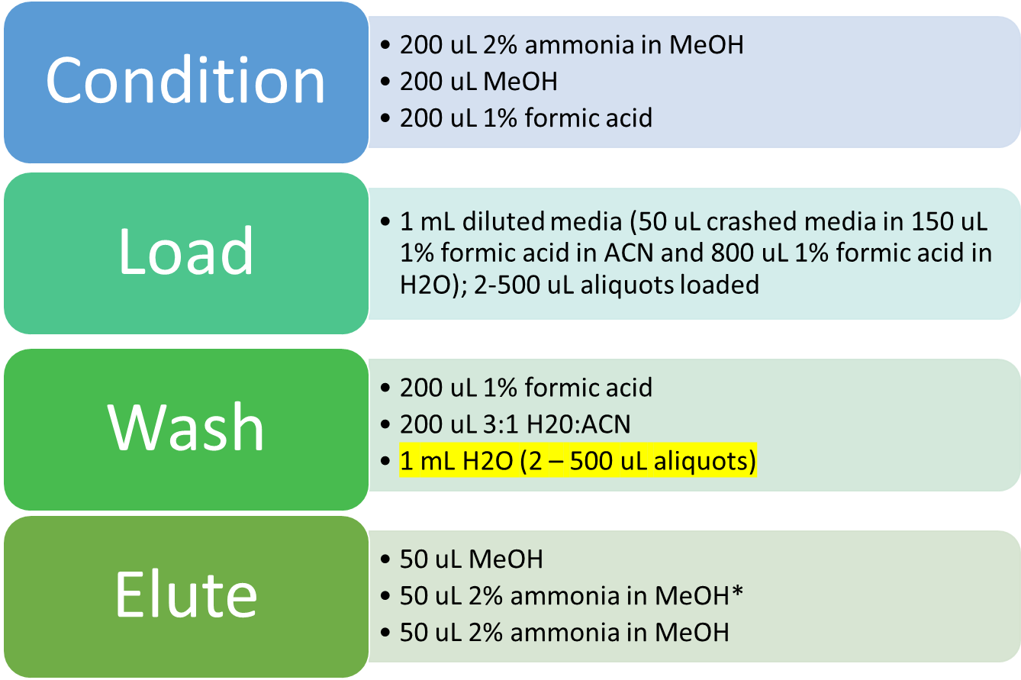
 | Total Vol (mL) | 50

 | Water:Acetonitrile, 3:1 (WAX)
 |  | mL
 | Acetonitrile | 12.5
 | Water | 37.5
 | Total Vol (mL) | 50 |  |  | WAX - microelution plate P/N 186002500; Lot
 |  |  |  |  | *PFAS analytes

 |  |  |  |  | 1 | 2 | 3 | 4 | 5 | 6 | 7 | 8 | 9 | 10 | 11 | 12
 |  |  |  | A | mobile | mobile | mobile | ACN blank | media blank | 2 mM neat | SPE elute | SPE elute | SPE elute | SPE spike | SPE spike | SPE spike
 |  |  |  | B | CC1 | CC2 | CC3 | CC4 | CC5 | CC6 | CC7 | CC8 | CC9 | CC10 | CC11 | CC12
 |  |  |  | C | CC13 | CC14 | CC15 | CC16 | CC17 |  |  | QC-A | QC-B | QC-C | QC-D
 |  |  |  | D | T0-A living1 | T0-B living1 | T0-C living1 | T0-A inact1 | T0-B inact1 | T0-C inact1 | T0-A media1 | T0-B media1 | T0-C media1 | T0-A living2 | T0-B living2 | T0-C living2
 |  |  |  | E | T0-A inact2 | T0-B inact2 | T0-C inact1 | T0-A media1 | T0-B media1 | T0-C media1 | T15-A-1 | T15-B-1 | T15-C-1 | T15-A-2 | T15-B-2 | T15-C-2
 |  |  |  | F | T30-A-1 | T30-B-1 | T30-C-1 | T30-A-2 | T30-B-2 | T30-C-2 | T60-A-1 | T60-B-1 | T60-C-1 | T60-A-2 | T60-B-2 | T60-C-2
 |  |  |  | G | T120-A-1 | T120-B-1 | T120-C-1 | T120-A-2 | T120-B-2 | T120-C-2 | T240-A living1 | T240-B living1 | T240-C living1 | T240-A inact1 | T240-B inact1 | T240-C inact1
 |  |  |  | H | T240-A media1 | T240-B media1 | T240-C media1 | T240-A living2 | T240-B living2 | T240-C living2 | T240-A inact2 | T240-B inact2 | T240-C inact2 | T240-A media2 | T240-B media2 | T240-C media2

*Pretreatment and sample dilution steps outlined in WAX protocol also applied to HLB

